Sheet1
No. | Problem describtion | Picture | Solution | Priority | member
1 | Game title is too simple. | 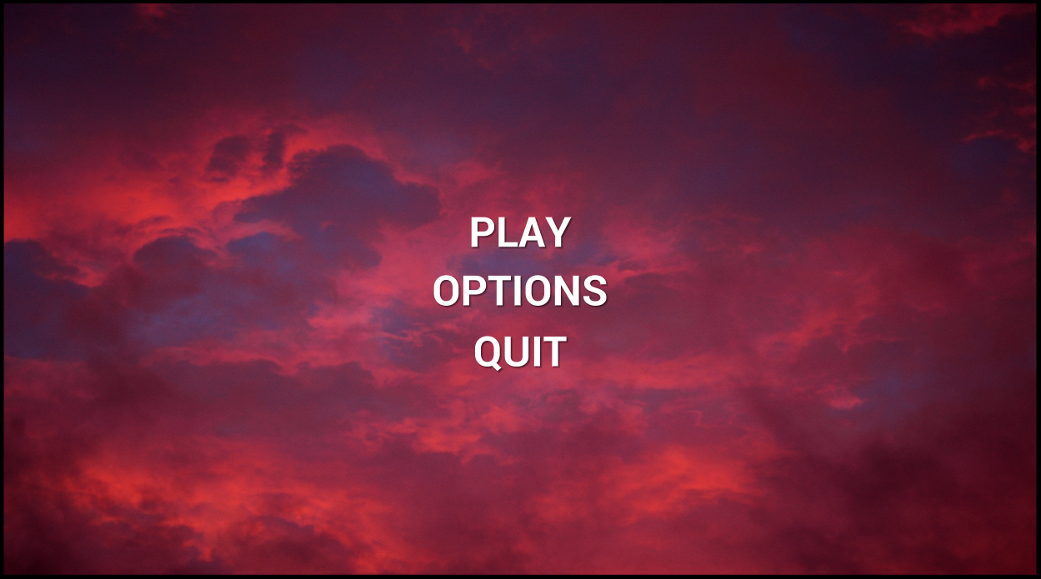 | Design a title symbol or picture on it, use more appropriate font. |  | Yang(write design document) Sam(art work) Jony(implement)
2 | How to close the dialog block makes me confuse. | 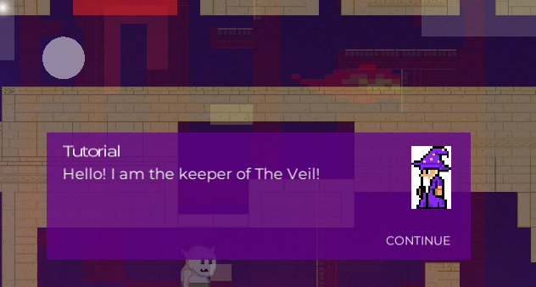 | Change the word "CONTINUE" to "TAP TO CONTINUE", or "PRESS ANY BUTTON"
3 | Teleport platform looks very strange. | 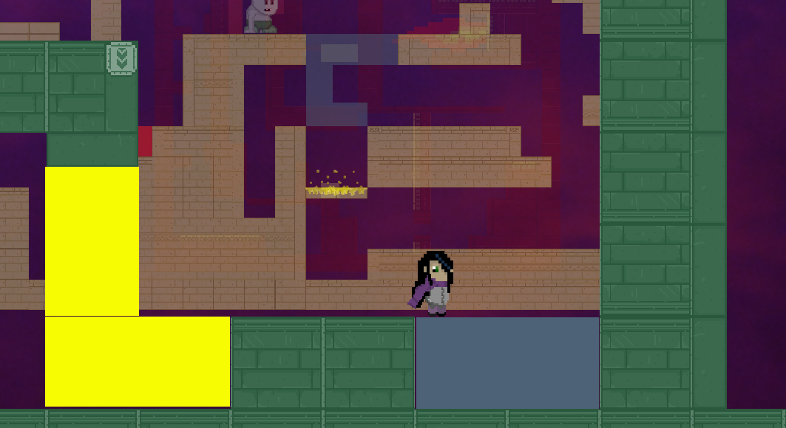 | 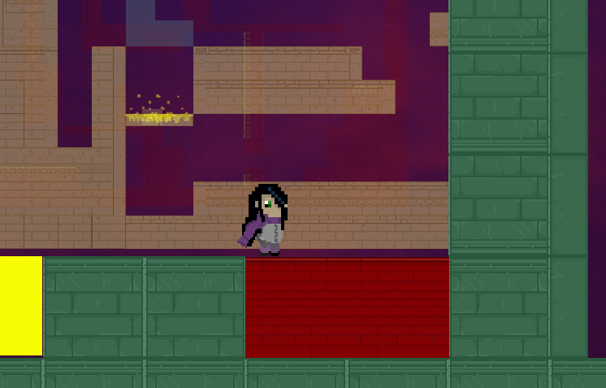 Teleport platform also use the same material with normal platform, the logic of change material must be correct.
4 | Paused view is hard to see. | 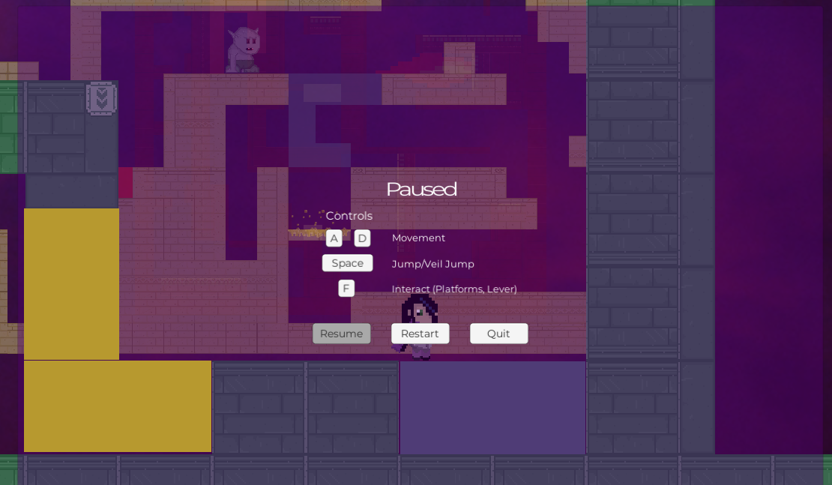 | Design a new UI box, use more appropriate font.

